01. check out
Test Case ID: | Unit to Test: | Assumptions: | Test Data Required: | Steps: | Expected Result: | Actual Result: | Pass/Fail: | Comments:
tc_github_01 | github check out | user has been invited to collaborate on a github repository | x. email invitation link to collaborate on hipples IP01 repository | 1. find github invitation in user email 2. view/accept invitation 3. clone repository into a newly created alt folder 4. open IP01 - Windows Calculator.sln | x. able to edit the newly cloned hipples repository from within the newly created alt folder x. access to code | x. able to edit the newly cloned hipples repository from within the newly created alt folder x. access to code | Pass | successfully opened IP01 - Windows Calculator.sln from newly cloned hipples repository within swiseWHAT's folder the four following screenshots recorded the process

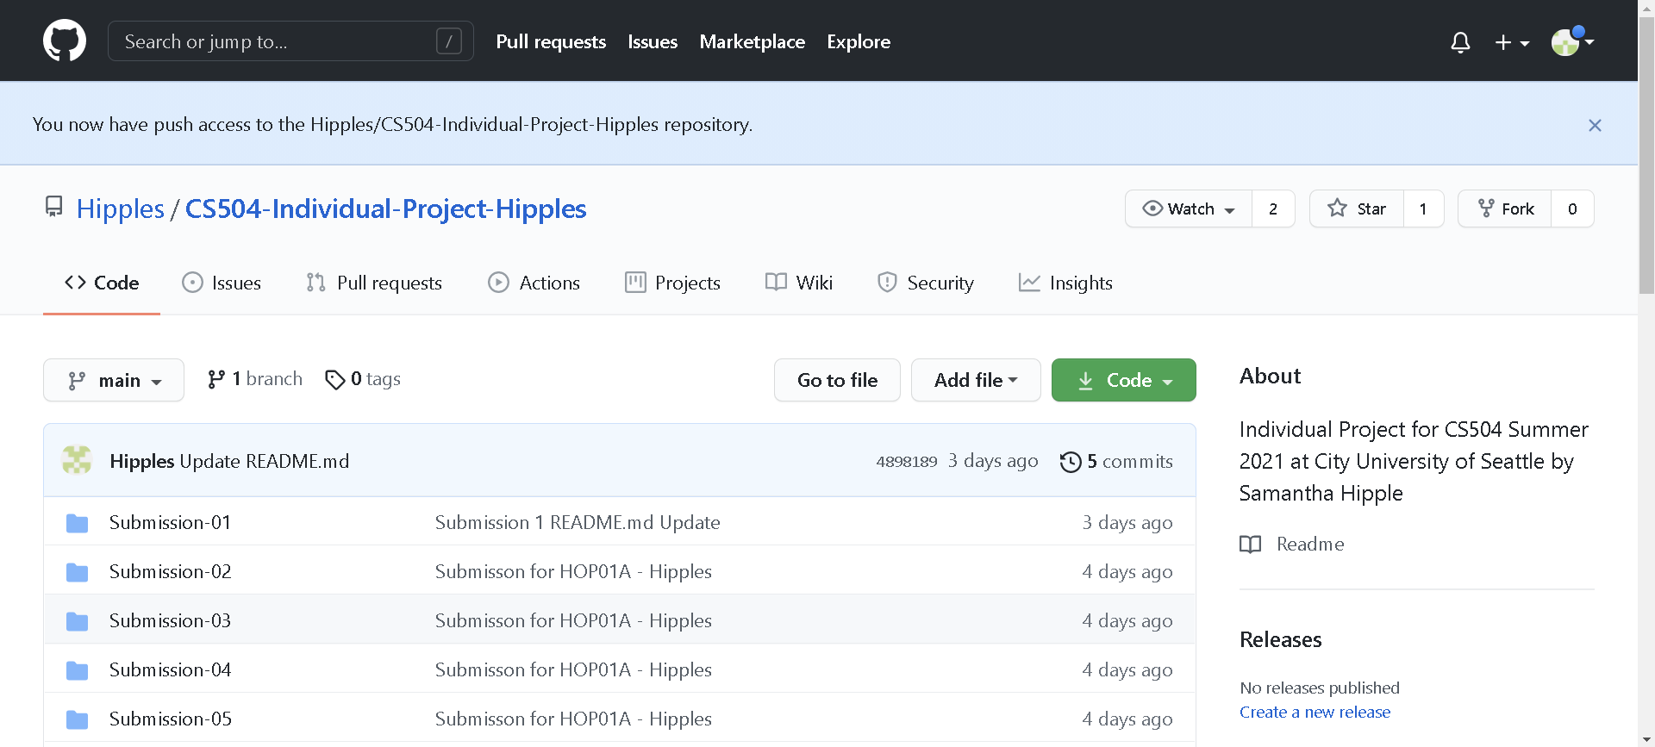 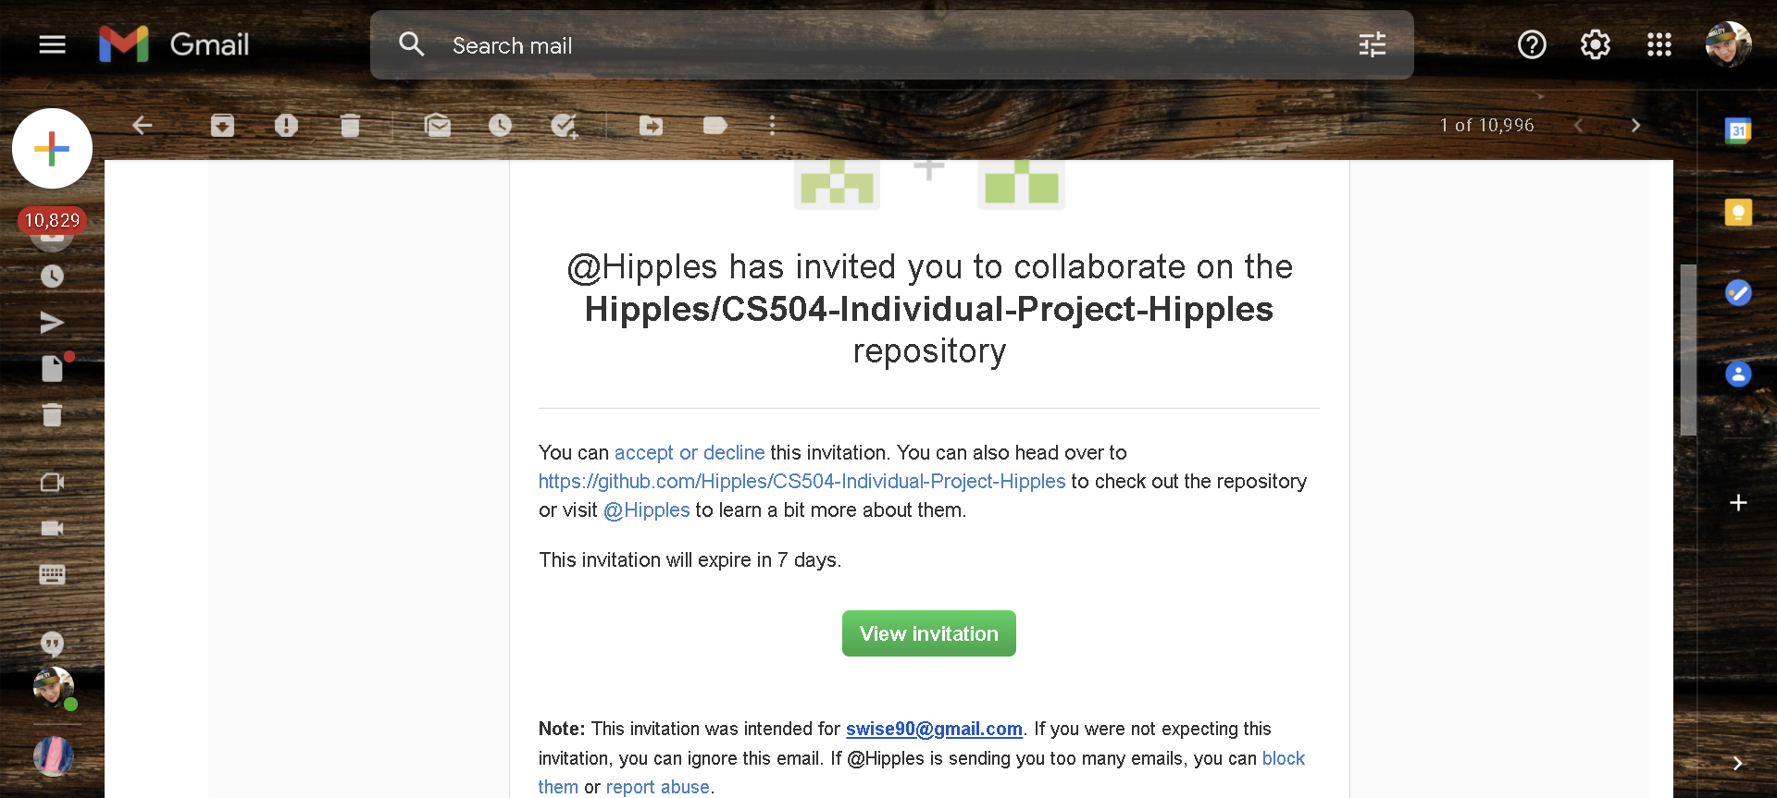 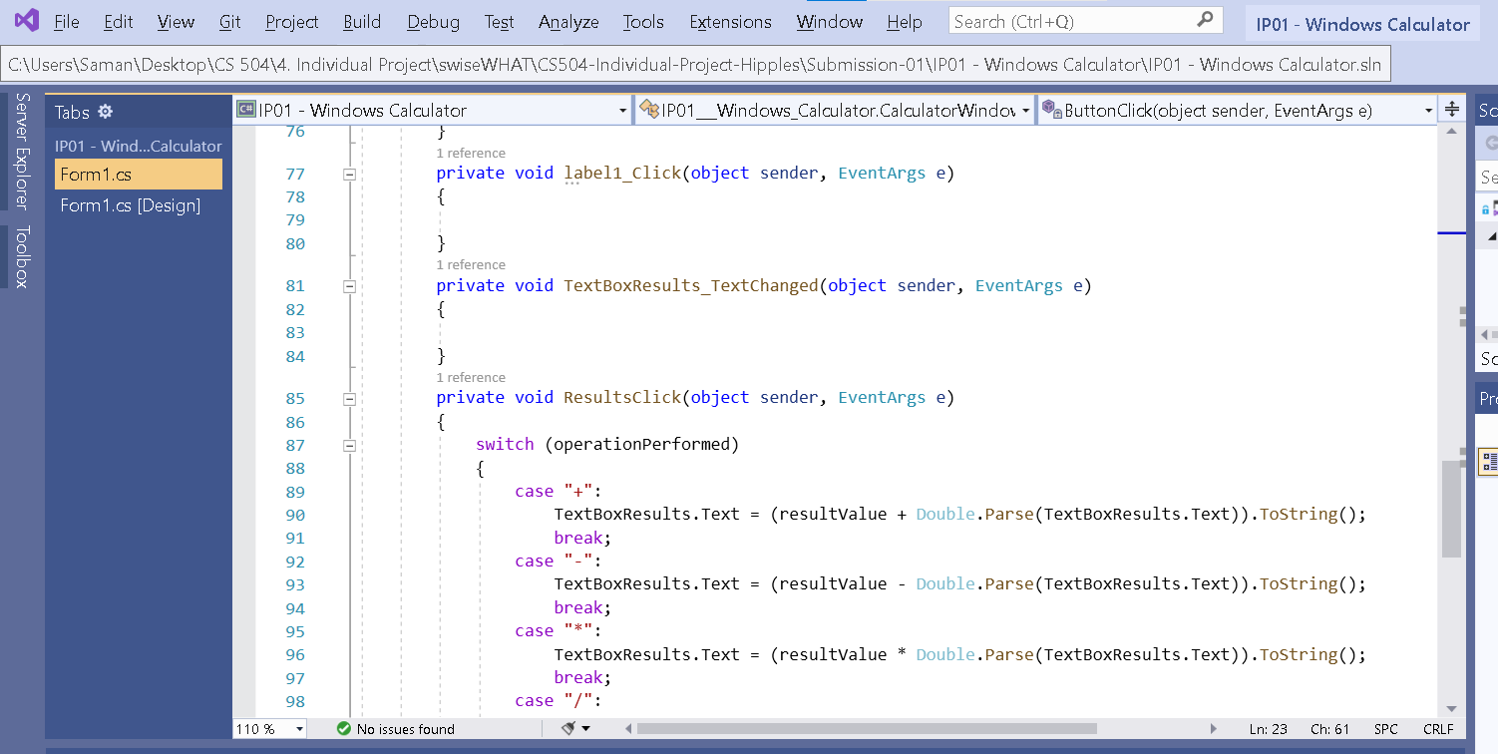 Screenshots of Process:

02. check in (FAIL)
Test Case ID: | Unit to Test: | Assumptions: | Test Data Required: | Steps: | Expected Result: | Actual Result: | Pass/Fail: | Comments:
tc_github_02 | github check-in | x. able to pass tc_github_01 | x. saved data used to complete tc_github_01 | 1. open cmd prompt 2. set directory to swiseWHAT's folder 3. type the three following commands into cmd: 1. git add . 2. git commit -m "Update 01 from swiseWHAT folder" 3. git push origin main 4. sign into github brower on hipples account to check the update results | successfully upload edited files by swiseWHAT to the Hipples repository | uploaded correctly from newly cloned repository; however, was uploaded by hipples, not swiseWHAT | Fail | Althought the data successfully uploaded, the records show it was pushed by hipples and not swiseWHAT Will create alternative windows user account for swiseWHAT to push work from as a solution and try again. Three screenshots were captured and saved below during this test case.

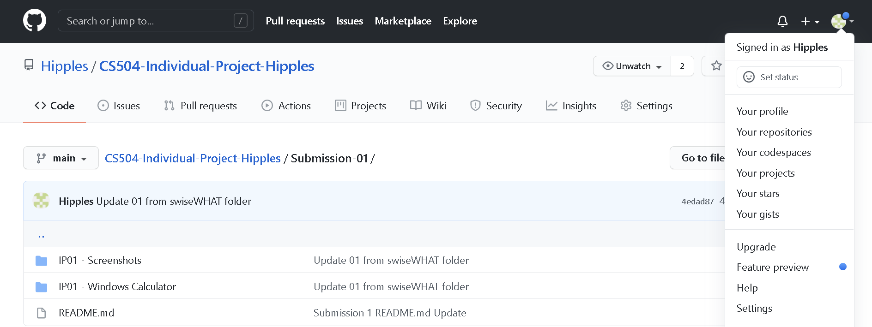 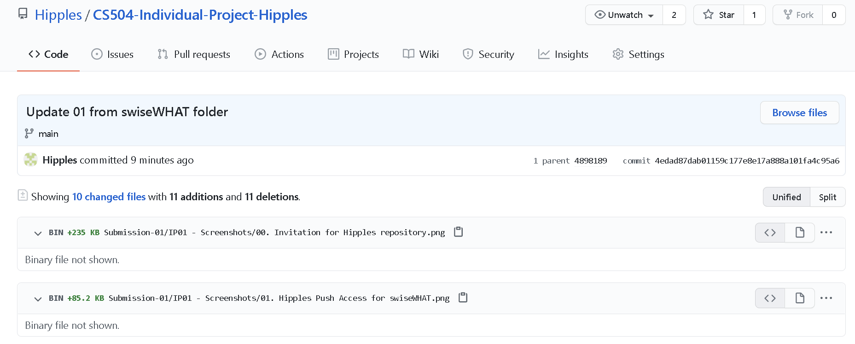 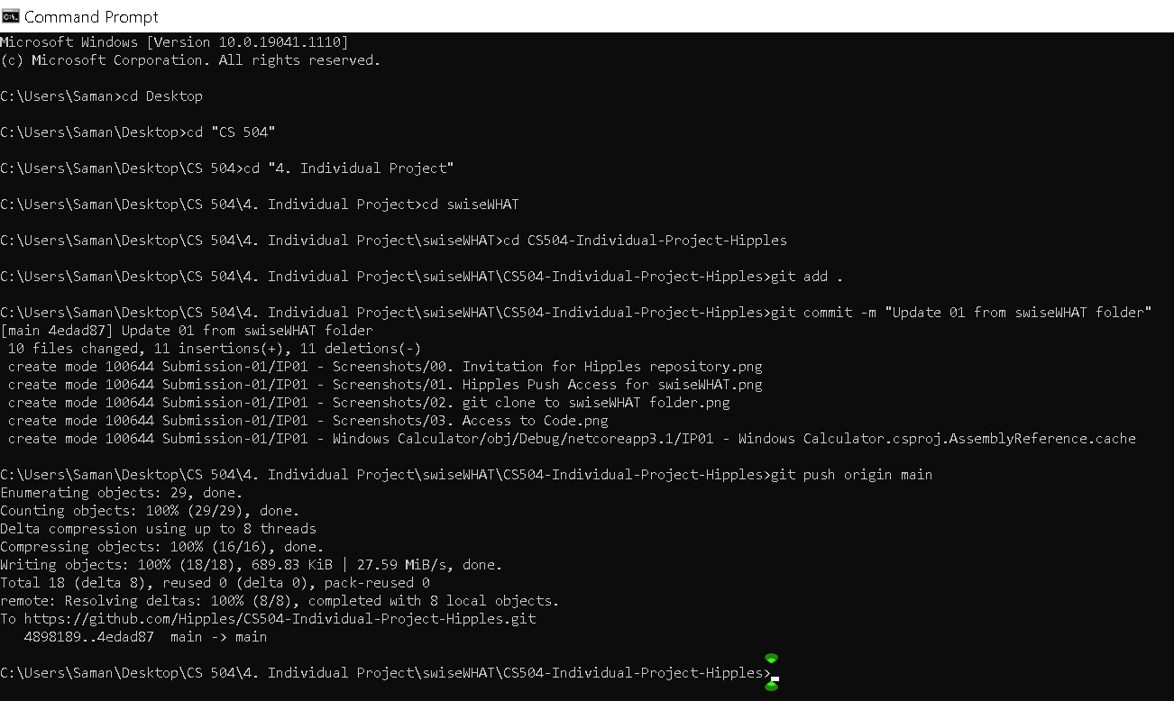 Screenshots of Process:

03. check in
Test Case ID: | Unit to Test: | Assumptions: | Test Data Required: | Steps: | Expected Result: | Actual Result: | Pass/Fail: | Comments:
tc_github_03 | github check-in, attempt 2 | x. able to pass tc_github_01 x. creation of swiseWHAT Window's account completed |  | 1. sign in to swiseWHAT's windows account and repeat tc_github_01 to create newly cloned hipples repository 2. open, edit, then save this test case document 3. open cmd prompt and set directory to the newly cloned repository, push "Update 03 from swiseWHAT account" 5. sign into github brower on hipples account to check the update results | successfully upload edited files by swiseWHAT to the Hipples repository

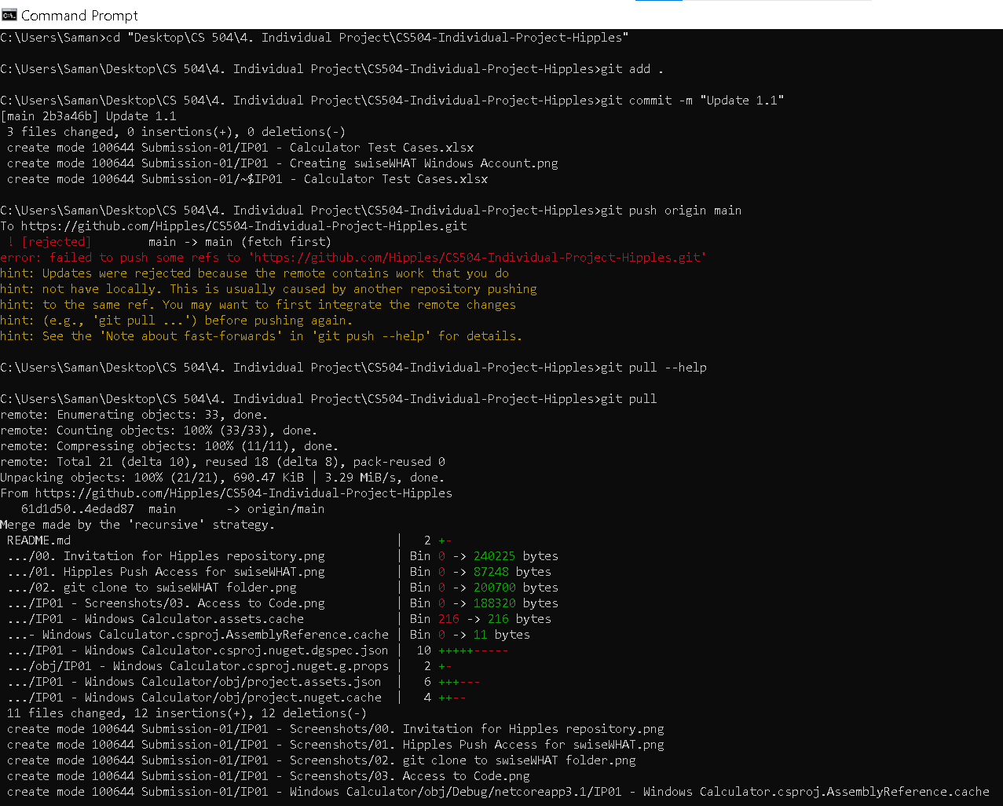 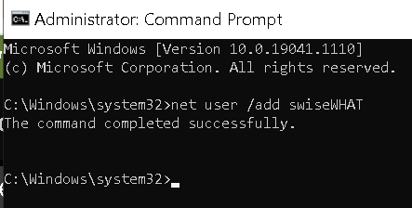 Screenshots of Process:

